DOC Functional Area Map
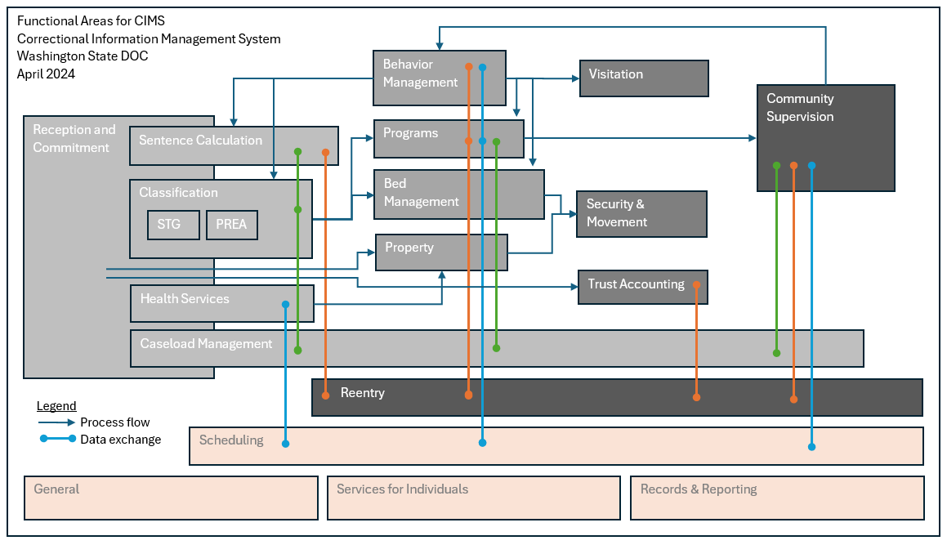
Provided for Informational Purposes

